Introduction
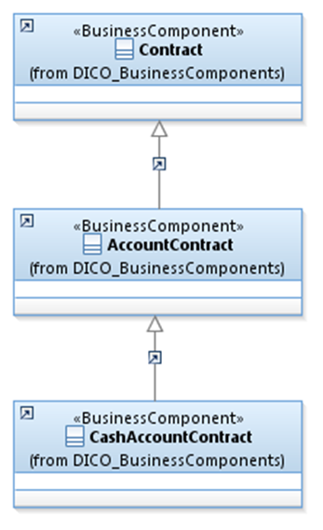
 | Introduction

This document describes the Business Model Components and Elements used by the Intra-Balance Movement message definitions (T2S).

In the “Business Model” tab, the cells with text in green indicate the business concepts used by the Intra-Balance Movement message definitions (T2S).

The “Traces” tab shows to which business concepts the Intra-Balance Movement (T2S) message components and message elements trace.

